ATLAS
For detailed description on how to use this tool and any of the terminology in the tool, please refer to the paper: ATLAS: Assistive Tool for seLf-Aligning focusing Schlieren" DOI: 10.2514/6.2023-2265 |  |  |  |  |  |  |  | Last updated 1/26/2023 Developed by Nicholas Mejia at Case Western Reserve University

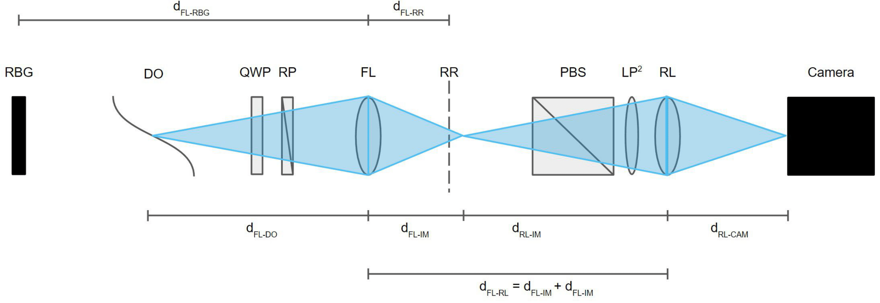
Preliminary Steps

Step 1 | How many test section windows do you have? | #Windows

 |  | 0

Step 2 | Input test section window locations | d_FL-TW1 [mm] | Leave this step blank if you have no test section windows

 |  | d_FL-TW2 [mm] | Leave this step blank if you have less than two test section windows

Step 3 (optional) | Input test section window diagonal [mm] | TW1 diagonal [mm]

 |  | TW2 diagonal [mm]

Step 4 | Input camera sensor diagonal | Sensor diagonal [mm]

 |  | 28.96

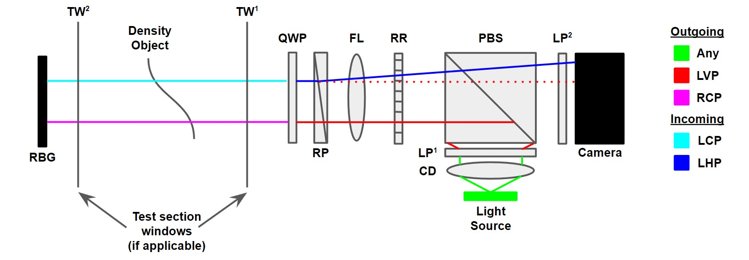
Part A: Location of the Ronchi Ruling (RR), retroreflective background (RBG), density object focal plane (DO) and relay lens (RL)

Step 1 | Choose d_FL-RBG | d_FL-RBG [mm] |  | d_FL-RR [mm] |  | FOV diagonal at RBG [mm]
 |  | 1050
 | Choose f_FL | f_FL [mm] |  | 52.50 |  | 608.16
 |  | 50
Step 2 | Choose d_FL-DO | d_FL-DO [mm] |  | d_FL-IM [mm] |  | The image of the DO is ~5mm behind the Ronchi ruling. You may not have enough space for your PBS and LP before the camera. This means you may need a relay lens.

 |  | 400 |  | 57.14

Step 3 | Confirm whether you need a relay lens or not | Do you? | Proceed to Step 4

 |  | Yes

Step 4 | Choose f_RL | f_RL [mm]

 |  | 75

Step 5 | Input d_RL-CAM | d_RL-CAM [mm] |  | d_FL-RL [mm] |  | FOV diagonal at DO [mm]

 |  | 150 |  | 207.14 |  | 231.68

Step 6 | Final checks on Part A | Check placement of optics. A simple way to do so is to place a screw at the DO location and see if you can image the threads sharply. Refer to the paper for info on this

Part B: Choosing a Rochon prism with suitable cutoff

Step 1 | Choose h_RP | h_RP [mm] |  |  | Minimum δ_cutoff [mm] |  | Perform part B and C simulataneously to determine what parameters are required for the %cutoff you need
 |  | 75
 | Choose w_RP | w_RP [mm] |  |  | 0.13
 |  | 75
 | Choose t_RP | t_RP [mm] |  |  | Maximum δ_cutoff [mm]
 |  | 10
 | Choose beam exit angle (β) | β [deg] |  |  | 0.88
 |  | 0.125

Part C: Choosing a Ronchi ruling frequency

Step 1 | Choose your RR frequency | RR frequency [lp/mm] |  |  | Minimum %_cutoff |  | Please refer to the AIAA Scitech paper for information about choosing a Ronchi ruling frequency.

 |  |  |  |  | 1.25

 |  | 5 |  |  | Maximum %_cutoff

 |  |  |  |  | 8.84

